Trading
$$P\&L=\left(Current Price −Previous Price\right) x Tick Value x Quantity$$
 |  |  |  |  | Futures Profit / Loss Formula
Futures Ticker | SR3
Description | USD 3M SOFR Futures
Contract Size | 1,000,000
Tick Value | 25.00 | per bps
Initial Margin | 2,500 | per contract |  |  | P&L, Cash Flow and Margin Calculations

Date | Position | Profit / Loss | Cash Flow | Margin Account Balance | Date | Profit / Loss | Cash Flow | Cash Flow Description | Margin Account
Day One | Buy 10 Futures @ 9910 |  | Initial Margin: 10 x 2,500 = (25,000) Pay | 25,000 CR | Day One |  | (25,000) | Open Position Pay Initial Margin | 25,000
 | Settlement Price @ 9942 | ( 9942 - 9910 ) x 25 x 10 = 8,000 Profit |  | 33,000 CR |  | 8,000 |  |  | 33,000
 |  |  | Variation Margin: 8,000 Receive | 25,000 CR |  |  | 8,000 | Profit Receive Margin | 25,000
Day Two | Settlement Price @ 9932 | ( 9932 - 9942 ) x 25 x 10 = (2,500) Loss |  | 22,500 CR | Day Two | (2,500) |  |  | 22,500
 |  |  | Variation Margin: (2,500) Pay | 25,000 CR |  |  | (2,500) | Loss Margin Call | 25,000
Day Three | Sell 6 Futures @ 9927 | ( 9927 - 9932 ) x 25 x 6 = (750) Loss |  | 24,250 CR | Day Three | (750) |  |  | 24,250
 | Settlement Price @ 9925 | ( 9925 - 9932 ) x 25 x 4 = (700) Loss |  | 23,550 CR |  | (700) |  |  | 23,550
 |  |  | Variation Margin: = -750 - 700 = (1,450) Pay | 25,000 CR |  |  | (1,450) | Loss Margin Call | 25,000
 |  |  | Initial Margin: 6 x 2,500 = 15,000 Receive | 10,000 CR |  |  | 15,000 | Partial Close Position Receive Initial Margin | 10,000
Day Four | Sell 4 Futures @ 9938 | ( 9938 - 9925 ) x 25 x 4 = 1,300 Profit |  | 11,300 CR | Day Four | 1,300 |  |  | 11,300
 |  |  | Closing of Position Return of Margin Balance 11,300 Receive | 0 |  |  | 11,300 | Fully Close Position Receive Margin Balance | 0

 | Net Position | Net P&L | Net Cash Flows | Margin Account Balance |  | Net P&L | Net Cash Flows |  | Margin Balance
 | 0 Futures | 5,350 | 5,350 | 0 |  | 5,350 | 5,350 |  | 0

Tickers
Product Code |  |  | Month Code | Year Code

ED |  |  | Z | 23

Product Code |  |  | Month Code | Year Code

ED |  |  | Z | 3

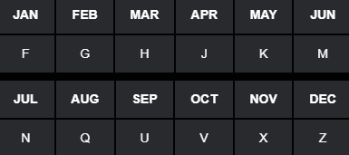

Product | Expiry | Ticker | Description
ED | H3 | EDH3 | Eurodollar USD 3M LIBOR Futures MAR-2023
ED | M3 | EDM3 | Eurodollar USD 3M LIBOR Futures JUN-2023
ED | U3 | EDU3 | Eurodollar USD 3M LIBOR Futures SEP-2023
ED | Z3 | EDZ3 | Eurodollar USD 3M LIBOR Futures DEC-2023

Product | Expiry | Ticker | Description
SR3 | H3 | SR3H3 | RFR USD 3M SOFR Futures MAR-2023
SR3 | M3 | SR3M3 | RFR USD 3M SOFR Futures JUN-2023
SR3 | U3 | SR3U3 | RFR USD 3M SOFR Futures SEP-2023
SR3 | Z3 | SR3Z3 | RFR USD 3M SOFR Futures DEC-2023

Payoff
Long FutureDeposit / Receive Fixed
Short Future Loan / Pay Fixed
Payoff Diagrams

Futures Contract | USD SOFR 3M (SR3)
Contract Size | 1,000,000
Futures Price | 98.50
Contract Period | 0.25
Tick Size | 0.01%
Tick Value | 25.00

Futures Price | Interest Rate | Long Future | Short Future
98.55 | 1.45 | 125.00 | -125
98.54 | 1.46 | 100.00 | -100
98.53 | 1.47 | 75.00 | -75
98.52 | 1.48 | 50.00 | -50
98.51 | 1.49 | 25.00 | -25
98.50 | 1.50 | 0.00 | 0
98.49 | 1.51 | -25.00 | 25
98.48 | 1.52 | -50.00 | 50
98.47 | 1.53 | -75.00 | 75
98.46 | 1.54 | -100.00 | 100
98.45 | 1.55 | -125.00 | 125

USD 3M SOFR Futures Chain
 |  |  |  |  |  |  |  |  | CME Futures Quotes
 |  |  |  |  |  |  |  |  | https://www.cmegroup.com/markets/interest-rates/stirs/three-month-sofr.quotes.html

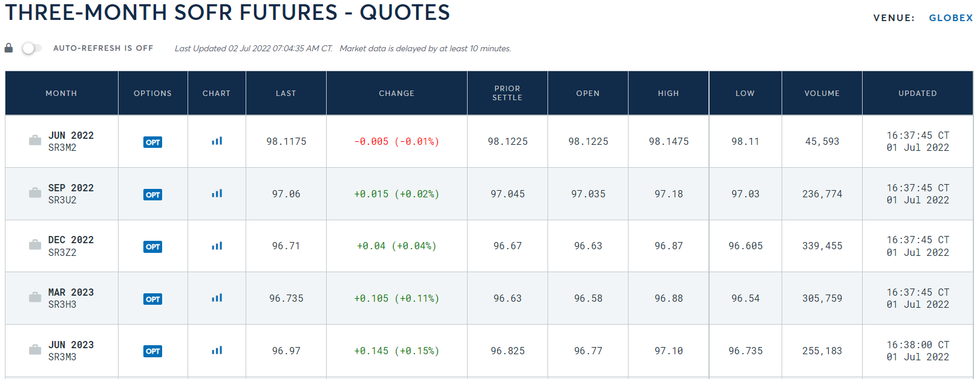
Futures Chain: Three-Month SOFR Futures

TICKER | MONTH | LAST PRICE | CHANGE | PRIOR PRICE | OPEN | HIGH | LOW | VOLUME

SR3M2 | JUN-22 | 98.1175 | -0.005 (-0.01%) | 98.1225 | 98.1225 | 98.1475 | 98.11 | 45,593

SR3U2 | SEP-22 | 97.06 | +0.015 (+0.02%) | 97.045 | 97.035 | 97.18 | 97.03 | 236,774

SR3Z2 | DEC-22 | 96.71 | +0.04 (+0.04%) | 96.67 | 96.63 | 96.87 | 96.605 | 339,455

SR3H3 | MAR-23 | 96.735 | +0.105 (+0.11%) | 96.63 | 96.58 | 96.88 | 96.54 | 305,759

SR3M3 | JUN-23 | 96.97 | +0.145 (+0.15%) | 96.825 | 96.77 | 97.1 | 96.735 | 255,183

SR3U3 | SEP-23 | 97.195 | +0.18 (+0.19%) | 97.015 | 96.965 | 97.315 | 96.935 | 199,337

SR3Z3 | DEC-23 | 97.365 | +0.20 (+0.21%) | 97.165 | 97.13 | 97.475 | 97.095 | 185,140

SR3H4 | MAR-24 | 97.49 | +0.21 (+0.22%) | 97.28 | 97.24 | 97.595 | 97.22 | 152,166

SR3M4 | JUN-24 | 97.595 | +0.225 (+0.23%) | 97.37 | 97.34 | 97.68 | 97.315 | 112,246

SR3U4 | SEP-24 | 97.625 | +0.21 (+0.22%) | 97.415 | 97.375 | 97.715 | 97.37 | 72,282

SR3Z4 | DEC-24 | 97.62 | +0.195 (+0.20%) | 97.425 | 97.39 | 97.71 | 97.38 | 68,370

SR3H5 | MAR-25 | 97.615 | +0.175 (+0.18%) | 97.44 | 97.405 | 97.705 | 97.395 | 52,353

SR3M5 | JUN-25 | 97.58 | +0.155 (+0.16%) | 97.425 | 97.39 | 97.675 | 97.38 | 49,777

SR3U5 | SEP-25 | 97.535 | +0.14 (+0.14%) | 97.395 | 97.355 | 97.62 | 97.345 | 19,103

SR3Z5 | DEC-25 | 97.47 | +0.12 (+0.12%) | 97.35 | 97.31 | 97.56 | 97.305 | 15,861

SR3H6 | MAR-26 | 97.41 | +0.10 (+0.10%) | 97.31 | 97.265 | 97.505 | 97.26 | 12,703

SR3M6 | JUN-26 | 97.355 | +0.085 (+0.09%) | 97.27 | 97.225 | 97.455 | 97.22 | 10,425

SR3U6 | SEP-26 | 97.32 | +0.08 (+0.08%) | 97.24 | 97.19 | 97.42 | 97.185 | 2,435

SR3Z6 | DEC-26 | 97.27 | +0.07 (+0.07%) | 97.2 | 97.15 | 97.37 | 97.15 | 3,040

SR3H7 | MAR-27 | 97.225 | +0.06 (+0.06%) | 97.165 | 97.115 | 97.33 | 97.11 | 1,867

TICKER | MONTH | LAST PRICE | CHANGE | PRIOR PRICE | OPEN | HIGH | LOW | VOLUME

SR3M7 | JUN-27 | 97.18 | +0.05 (+0.05%) | 97.13 | 97.09 | 97.29 | 97.075 | 1,810

SR3U7 | SEP-27 | 97.135 | +0.04 (+0.04%) | 97.095 | 97.05 | 97.18 | 97.05 | 158

SR3Z7 | DEC-27 | 97.135 | +0.08 (+0.08%) | 97.055 | 97.19 | 97.19 | 97.135 | 34

SR3H8 | MAR-28 | - | - | 97.03 | - | - | - | 0

SR3M8 | JUN-28 | - | - | 96.995 | - | - | - | 0

SR3U8 | SEP-28 | - | - | 96.96 | - | - | - | 0

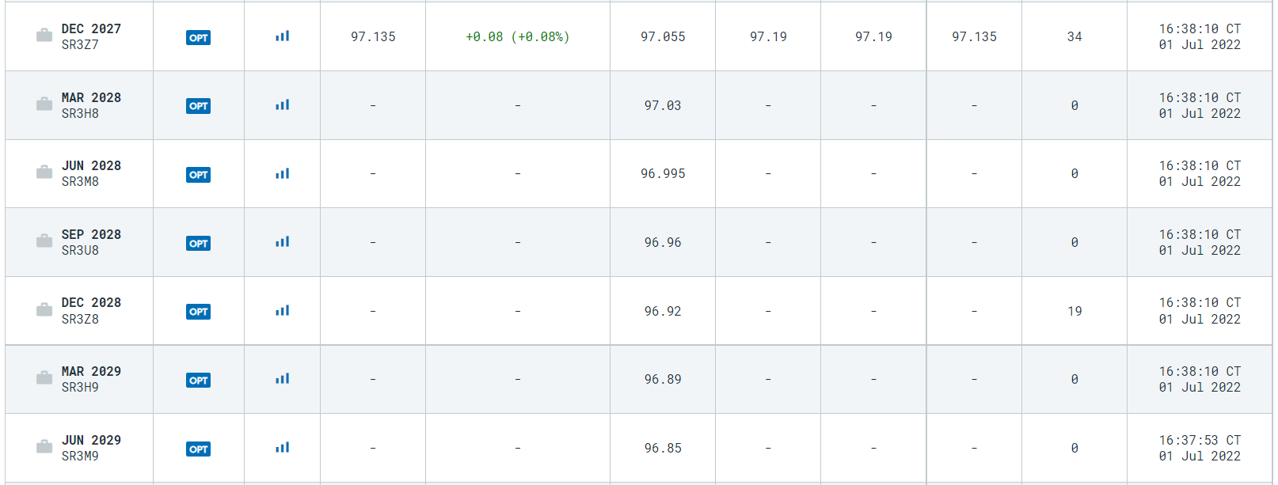
SR3Z8 | DEC-28 | - | - | 96.92 | - | - | - | 19

SR3H9 | MAR-29 | - | - | 96.89 | - | - | - | 0

SR3M9 | JUN-29 | - | - | 96.85 | - | - | - | 0

SR3U9 | SEP-29 | - | - | 96.82 | - | - | - | 0

SR3Z9 | DEC-29 | - | - | 96.79 | - | - | - | 0

SR3H0 | MAR-30 | - | - | 96.765 | - | - | - | 0

SR3M0 | JUN-30 | - | - | 96.725 | - | - | - | 0

SR3U0 | SEP-30 | - | - | 96.685 | - | - | - | 0

SR3Z0 | DEC-30 | - | - | 96.67 | - | - | - | 0

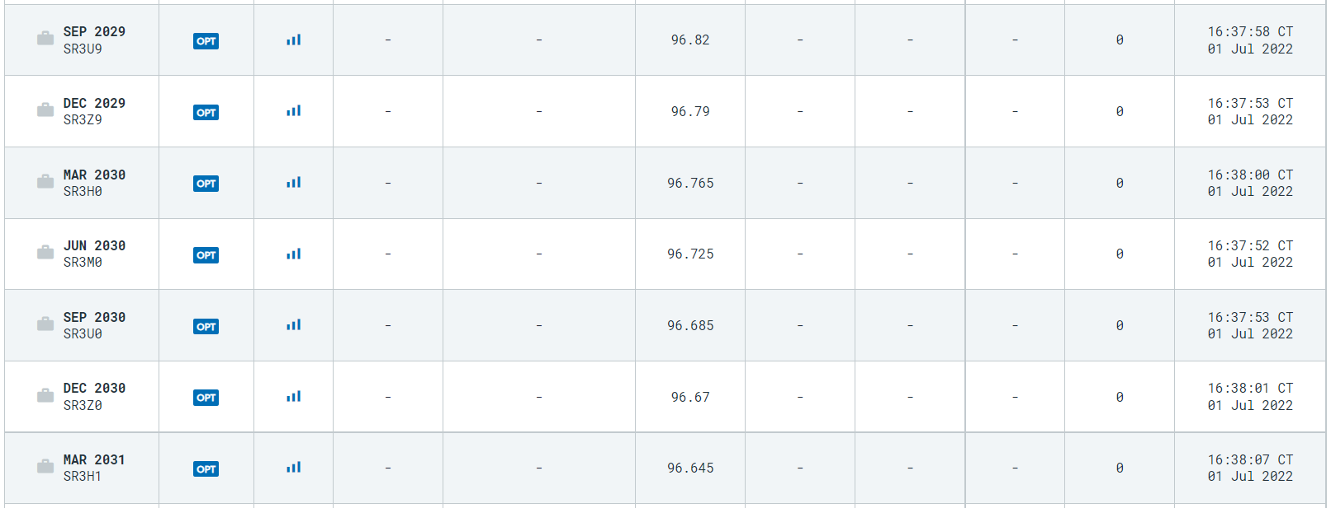
SR3H1 | MAR-31 | - | - | 96.645 | - | - | - | 0

SR3M1 | JUN-31 | - | - | 96.62 | - | - | - | 0

SR3U1 | SEP-31 | - | - | 96.6 | - | - | - | 0

SR3Z1 | DEC-31 | - | - | 96.59 | - | - | - | 0

Compound Interest
 | rate, r | 5.00

Weekday | d | r % | RG | USD SOFR Term Rates - Geometric Compounding & Arithmetic Averaging
Mon | 1 | 0.28 | 1.00001 | https://www.cmegroup.com/education/files/sofr-futures-settlement-calculation-methodologies.pdf
Tues | 1 | 0.86 | 1.00002
$R_{G}=$ $\left[\prod_{i}{\left\{1+\left(\frac{d_{i}}{360}\right)∗\left(\frac{r_{i}}{100}\right)\right\}−1} \right]∗ \left(\frac{360}{\sum_{i}{d_{i}}}\right)∗100$
Wed | 1 | 3.11 | 1.00009
Thurs | 1 | 3.60 | 1.00010
Fri | 3 | 1.86 | 1.00015
$R_{A}=$ ${\left[\sum_{i}{\left(\frac{d_{i}}{360}\right)∗\left(\frac{r_{i}}{100}\right)}\right]}/{\sum_{i}{d_{i}}}∗100$
Mon | 1 | 4.47 | 1.00012
Tues | 1 | 3.64 | 1.00010
Wed | 1 | 5.58 | 1.00015
Thurs | 1 | 0.24 | 1.00001 | USD Eurodollar and RFR Futures Specifications
Fri | 3 | 7.22 | 1.00060 | https://www.cmegroup.com/markets/interest-rates/stirs/eurodollar.contractSpecs.html
 |  |  |  | https://www.cmegroup.com/education/files/sofr-futures-contract-specifications.pdf
 | nDays | RA | RG
 | 14 | 3.4991 | 3.5009

 | Frequency | Monthly | Quarterly
 | Compounding | Arithmetic | Geometric

 | Future | FA | FG
 | Quote | 96.5009 | 96.4991

